ART
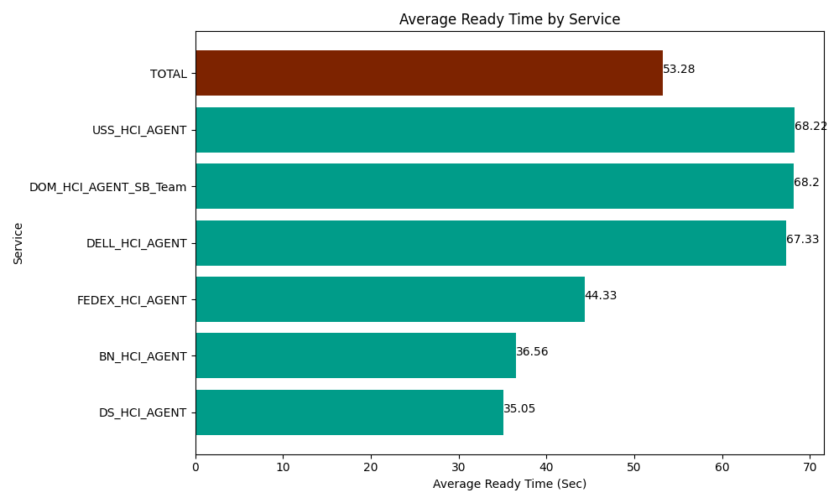
Date | Service | Successful Op Transfer | In Call (Sec) | Ready (Sec) | Wrapup (Sec) | Not Ready (Sec) | Average Ready Time (Sec)
06-28-2024 | DS_HCI_AGENT | 195 | 9268.7997437 | 6834.0000916 | 24762.000732 | 17341.199341 | 35.05
06-28-2024 | BN_HCI_AGENT | 979 | 54670.198975 | 35794.801025 | 83523.00293 | 48307.199707 | 36.56
06-28-2024 | FEDEX_HCI_AGENT | 33 | 3061.2000275 | 1462.7999496 | 1780.8000183 | 8418.0001831 | 44.33
06-28-2024 | DELL_HCI_AGENT | 141 | 12228.000183 | 9493.7997437 | 52795.799561 | 23533.200073 | 67.33
06-28-2024 | DOM_HCI_AGENT_SB_Team | 36 | 3290.9999084 | 2455.1998901 | 5152.7998352 | 2218.2000732 | 68.2
06-28-2024 | USS_HCI_AGENT | 81 | 8824.8001099 | 5525.9999084 | 15739.799194 | 2547.0000458 | 68.22
 | TOTAL | 1465 | 91343.998947 | 61566.600609 | 183754.20227 | 102364.79942 | 53.28

